Appendix B
Appendix “B” Example of airline policy on TEM | Example
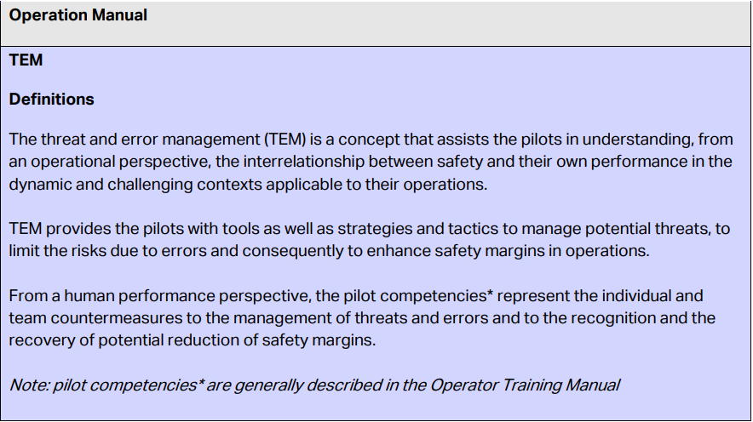
The way forward

It is recommended that Airline policy covers the following sections:

TEM concept including,
‒ Definitions the concept and definition of Threats, Errors and Undesired Aircraft State
‒ Role of pilot competencies as countermeasures
‒ Applicability of TEM in operations, (all flight phase, briefing, debriefing etc.)

Automation and manual flying, where pilots:
‒ Decide level of automation according to operational context (risk assessment)
‒ Maintain competence by using all level of automation including manual flying
‒ Are ready to change level of automation at all time, if necessary
‒ Have clear visibility on operator limitation that could apply
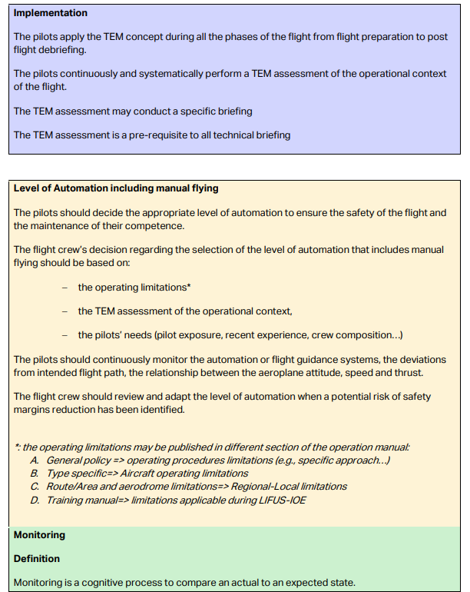

Monitoring, including:
‒ Definition of monitoring
‒ Definition of the PF and PM roles
‒ Definition of AOV
‒ Prioritization PF and PM duties depending on AOVs

